Lab Biokimia
Usulan Peralatan Laboratorium Kimia Departemen Kimia 2019

No. | Nama Alat | Jenis | Merk | Type | Spesifikasi | Jumlah | Harga Satuan | Satuan | Jumlah | Detail barang | Sumber | Peruntukkan
1 | Autoclave: All American USA 75x | Peralatan sterilisasi mikroorganisme | All American USA | 75x | Autoclave electric Volume : 39 lt Inside Diameter - 15" Outside Diameter - 16 1/4" Elevates Sterilizer 2 1/4" above surface Electrical Power 1650W. 240V, 50/60Hz Catalog No. OAA75x240 | 1 | 25,000,000 | buah | 25,000,000 | 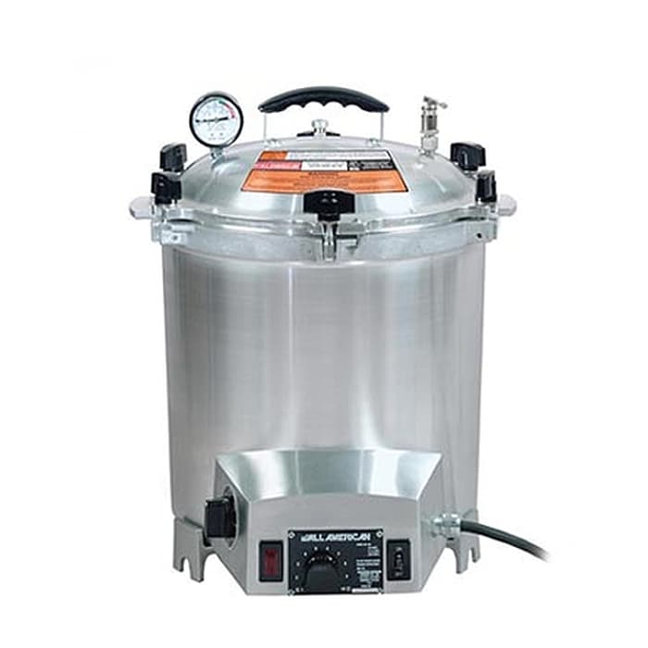 | https://www.tokopedia.com/nirwanaabadi/all-american-autoclave-electric-75x-vol39l-presto | Lab Biokimia, Departemen Kimia
2 | Mikroskop Trinokuler Multimedia | Peralatan visualisasi mikroorganisme | Digimi | digimi 107EMT | Kamera Mikroskop Adapter Trinokuler LCD 9 inch Kabel-kabel, Adaptor & Kelengkapan lainnya Spesifikasi Mikroskop 1. Eyepiece : WF10X, P16X( WF16X) 2. Objective : Achromatic 4X, 10X, 40X( S) , 100X( S, Oil) 3. Stage: Single Layer Mechanical Stage 4. Condenser : Abbe NA1.25 Condenser with Iris Diaphragm and Filter 5. Illumination : Built-in Illumination, Halogen Lamp, 6V/ 20W 6. Package: Each Set in Styrofoam and Wooden Case to Carton for Safety 7. Optional Accessories : Photography Kit; 35MM Camera XSZ-107CCD 8. Trinocular Viewing Head: Trinocular Head for Video Camera ( C Mount) 9. Eyepiece : WF10X, P16X ( WF16X) 10. Objective : Achromatic 4X, 10X, 40X( S) , 100X ( S, Oil) 11. Stage: Single Layer Mechanical Stage 12. Condenser : Abbe NA1.25 Condenser with Iris Diaphragm and Filter 13. Illumination : Built-in Illumination, Halogen Lamp, 6V/ 20W Package : Each Set in Styrofoam and Wooden Case to Carton for Safety Spesifikasi Kamera 1. Sensor : C-Mos 2. Chipset 1099 Teknologi terbaru 3. Resolusi capture: 1000 TVL dan dapat ditingkatkan hingga 20 Megapixel (Software Enhance) 4. Video : lebih dari 24 bit true color 5. Frame rate: min. 25 fps 6. Koneksi: video out, USB port 7. Power : AC 220 V dan DC 12 V 8. Kelengkapan : kabel power AC, , Kabel Video, USB Extension 9. Kompatibility software : minimal pentium 4 ke atas Spesifikasi LCD 1. 9 Inch Slim LED monitor TV 2. Aspect ratio : 16 : 9 3. High Resolutin wide screen only 4. Video system: NTSC/PAL support, auto swicth 5. Resolution: 800 X RGB X 480 pixels 6. Input: two video input V1/V2/TV 7. Power supply : DC 12 V 8. Power consumption: 8 W 9. Brightness: 300cd/m2 10. Operating temp: 0 55C 11. Stroge temp: 25 70C | 1 | 18,750,000 | 1 | 18,750,000 | 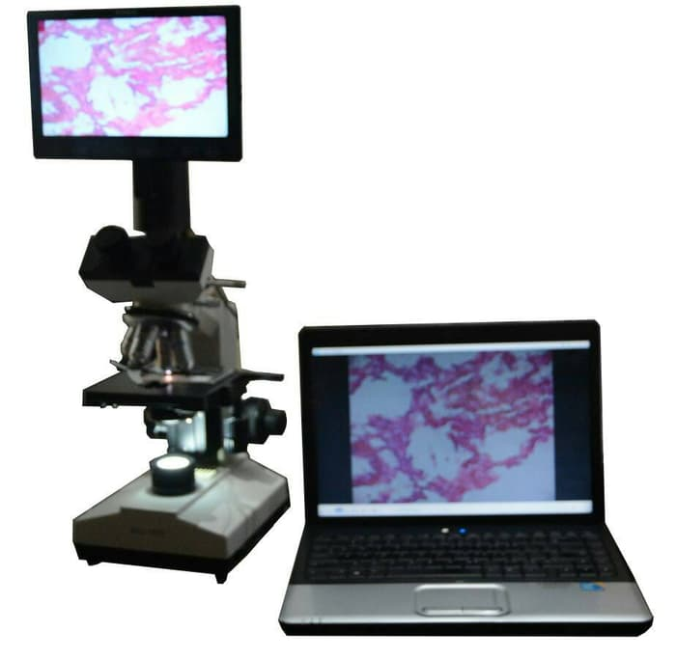 | https://www.tokopedia.com/edusains/mikroskop-trinokuler-multimedia-digimi-107emt | Lab Biokimia, Departemen Kimia
3 | Ultrasonic Homogenizer Sonicator Processor Cell Disruptor Mixer 1200W 100-2000ml | Peralatan Pemecah Sel mikroorganisme | TCH |  | Features - Novel design, Complete-function, Reliable ability - Large LCD digital display, Fully microprocessor controlled and completely programmable - Auto-tuning for convenience of use and optimal processing efficiency - Temperature indicator and controller - 99h total working time controller, 1s 99h, count-down time display - Automatic amplitude compensation - Power-emitted display for accuracy and repeatability, Variable power output - Integrated Sound Abating Chamber to reduce cavitational sound emitted during processing Common applications Mixing, blending, emulsifying, and homogenizing solutions Reducing particle size of suspensions Dispersing suspensions Disrupting cells Catalyzing chemical reactions Technical parameters Frequency range: 20KHz (frequency is auto-tracking) Output power: 80W (0%-100% continuous adjustable) Total working timer: 1s 99 hours with pause function Ultrasonic output impulse: Ultrasonic on timer:1s 99 min Ultrasonic off timer: 1s 99 min Duty ratio: 0%-100% Diameter of ultrasonic probe: 20mm ( 13, 16, 18, 20, 25 mm 30 mm optional, if you need, please contact us) Sample processing volume:100ml 2000ml Working environment and conditions Environment Temp.: 0 40C Environment: Indoor | 1 | 50,000,000 | 1 | 50,000,000 | 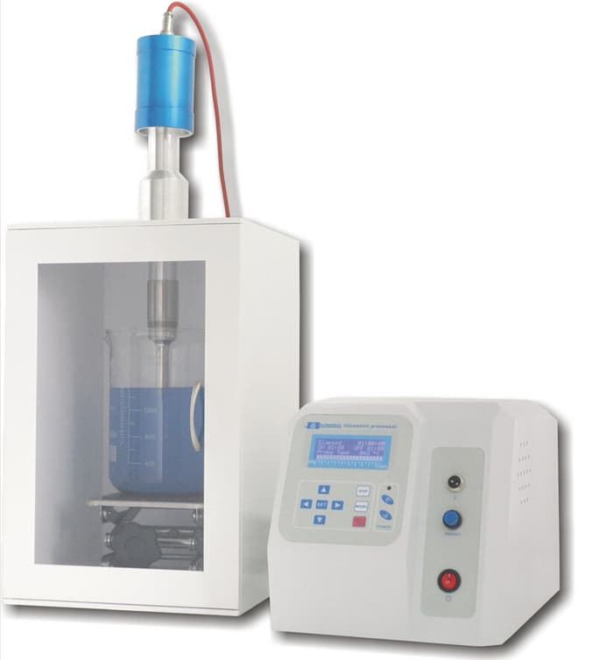 | https://www.tokopedia.com/t4k4/ultrasonic-homogenizer-sonicator-processor-cell-disruptor-mixer-1200w | Lab Biokimia, Departemen Kimia
TOTAL |  |  |  |  |  |  |  |  | 93,750,000

 |  |  |  |  |  | Semarang,....Mei 2019
 |  |  |  |  |  | Mengetahui
 |  |  |  |  |  | Ka. KBK Biokimia.
 |  |  |  |  |  | Departemen Kimia
 |  |  |  |  |  | Fakultas Sains dan Matematika
 |  |  |  |  |  | Universitas Diponegoro

 |  |  |  |  |  | Dr. Mukhammad Asy'ari, M.Si
 |  |  |  |  |  | NIP. 197106231998021001

